HRV
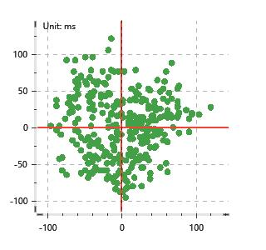
Data Info
 | Recording | 正式实验9
 | Subject | 梁浩
 | Create Time | 2023-11-24 15:33:22.914
 | Data Name | Chest1 ECG
 | Data Type | ECG
 | Sample Rate | 512
 | Segment | 前静息态
 | Start Time | 0:00:36
 | End Time | 0:05:36
 | Duration | 0:05:00

Replay Chart
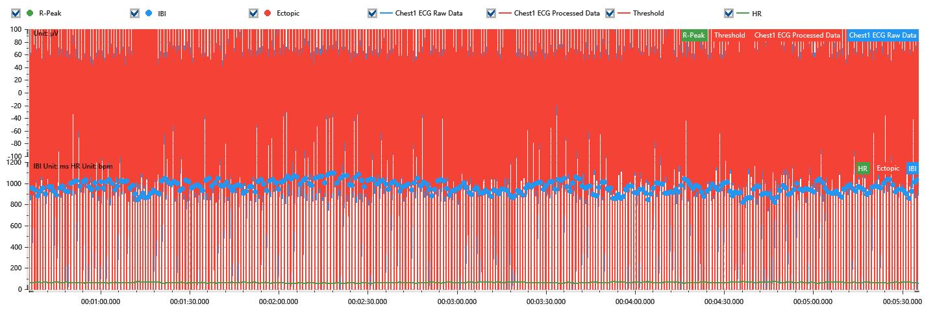

Process parameters
 | Filters
 | Wavlet filter | Enabled | 中
 | Amplitude normalization | Disabled | 中
 | High Pass filter | Enabled | 1μV
 | Band Stop filter | Enabled | 50μV
 | Low Pass filter | Enabled | 100μV
 | Interbeat Interval
 | R-Peak extraction | Maximum heart rate | 120bpm
 | R-Peak extraction | Threshold | 70%
 | Extopic detection | Percent | Disabled | 20%
 | Extopic detection | Median | Enabled | 4(samples)
 | Extopic correction | 中值 | 5(samples)

Time Domain
 | MeanIBI | MeanHR | SDNN | SDANN | RMSSD | SDSD | PNN50 | PNN20 | Data Length
 | 959.17ms | 63bpm | 55.21ms | 0ms | 43.83ms | 43.9ms | 27.33% | 65.59% | 312

Frequency Domain
 | Band | Range | Power | Power Percent | Power Normalized | Peak | Data Length
 | ULF | 0 - 0.0033Hz | 119.43ms² | 4.29% | 0 | 0Hz | 4
 | VLF | 0.0033 - 0.04Hz | 1090.15ms² | 39.18% | 0 | 0Hz | 37
 | LF | 0.04 - 0.15Hz | 835.56ms² | 30.03% | 0.53 | 0.04Hz | 113
 | HF | 0.15 - 0.4Hz | 737.14ms² | 26.49% | 0.47 | 0.23Hz | 256

 | Total Power | 2782.27ms² | LF/HF | 1.13 | VLF/ULF | 0.11
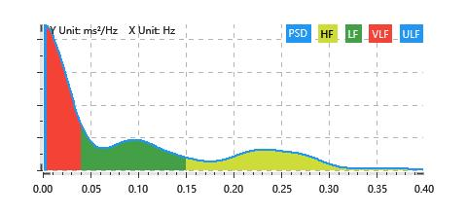

Nonlinear
 | Poincare | SD1 | 31.04ms | SD2 | 71.64ms
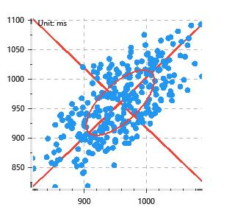

 | Scatter | A++ | 77 | B-- | 72

